Analysis
FINDINGS
Strategy

Variables | Overall | KM5_1 | KM5_2 | KM5_3 | KM5_4 | KM5_5
Seg_size | 8950 | 3067 | 2217 | 2028 | 592 | 1046
Seg_Pct | 100.00 | 34.27 | 24.77 | 22.66 | 6.61 | 11.69
PURCHASES | -7.24E-15 | -0.46 | 0.25 | -0.28 | 3.01 | -0.35
Cluster 1
34 % (One time/ irregular / Rare Customers )
--> Low one-off/ installment purchasers
--> Low purchase frequency
--> Prefer advance cash payment
--> Short term customers
==> Push good installment and one-off offers
==> provide regular Discounts so that they return more often.
==> increase their credit limit to allow more spend
==> Reduced interest rates
ONEOFF_PURCHASES | 5.15E-16 | -0.28 | 0.23 | -0.49 | 2.73 | -0.26
INSTALLMENTS_PURCHASES | -4.23E-15 | -0.56 | 0.22 | 0.19 | 2.04 | -0.34
CASH_ADVANCE | -3.72E-16 | -0.13 | -0.36 | -0.45 | -0.15 | 2.10
PURCHASES_FREQUENCY | 2.02E-15 | -0.94 | 0.73 | 0.59 | 1.11 | -0.58
ONEOFF_PURCHASES_FREQUENCY | 2.35E-16 | -0.33 | 0.74 | -0.67 | 1.72 | -0.28
PURCHASES_INSTALLMENTS_FREQUENCY | -6.91E-16 | -0.90 | 0.48 | 0.82 | 0.97 | -0.52
CASH_ADVANCE_FREQUENCY | -6.16E-16 | 0.07 | -0.35 | -0.56 | -0.27 | 1.76
CASH_ADVANCE_TRX | 2.94E-15 | -0.06 | -0.31 | -0.48 | -0.17 | 1.86
PURCHASES_TRX | 2.17E-16 | -0.58 | 0.42 | -0.11 | 2.47 | -0.39
Cluster 2
24 % ( Regular Customers)
--> Regular one-off and installment based purchasers
--> High purchase frequency
--> High spent Per transaction
--> Long Term customers
--> Low payments due in the period
--> Dont prefer Advance Cash payments
==> provide attractive Advance cash payment plans to encourage advance payment
==> increase credit limit to allow more spend
==> Shopping points to promote Advance Cash Payment
PAYMENTS | 1.56E-14 | -0.29 | -0.08 | -0.39 | 1.74 | 0.80
MINIMUM_PAYMENTS | -2.87E-15 | -0.12 | -0.17 | -0.17 | 0.49 | 0.74
TENURE | -1.68E-15 | -0.09 | 0.19 | -0.05 | 0.27 | -0.18
Mon_av_PURCHASE | -9.80E-17 | -0.46 | 0.25 | -0.27 | 2.98 | -0.34
Purchase_type_on_off | 1.4463687151 | -0.12 | 0.96 | -1.02 | 0.91 | -0.23
Purchase_type_installment | 2.0205586592 | -1.05 | 0.70 | 0.88 | 0.69 | -0.52
Limit_Usage | 2.8441340782 | 0.25 | -0.19 | -0.47 | -0.12 | 0.64
Mon_cash_adv | 1.1453631285 | -0.12 | -0.36 | -0.44 | -0.16 | 2.05
Purchase_Type_both | 1.974972067 | -0.66 | 1.30 | -0.64 | 1.23 | -0.27

Cluster 3
30 % ( Regular installment based purchasers)
--> High installment purchasers
--> Dont prefer Advance cash payment.
--> High purchase frequency
--> Low amount spent per Transaction
--> Short Term Customers
--> Low monthly average purchasers
==> Push good one-off offers
==> provide attractive Discounts offers so that they prefer advance payments .
==> increase credit limit to allow more spend
==> push regular offers via mail/ messages so that they remain for longer

Cluster 4
6 % ( Frequent Card user Customers)
--> high one off / installment purchasers
--> Dont Prefer Cash payment.
--> High purchase frequency
--> High amount spent per Transaction
--> Long Term Customers
--> High monthly average purchase
==> provide attractive Advance cash payment plans to encourage advance payment
==> Push low interest rate on cash advance facility to boost monthly credit balance
==> Huge cash back after certain limit
==> reward points on transactions

Cluster 5
11 % ( Short term Customers)
--> low one off / installment purchasers
--> Prefer only Cash payment.
--> Low purchase frequency
--> Low amount spent per Transaction
--> Short Term Customers
--> Low monthly average purchase
==> Push good installment and one-off offers
==> increase credit limit to allow more spend
==> Push low interest rate on cash advance facility to boost monthly credit balance
==> send regular reminders to clear their Due payment amount.

Visualization
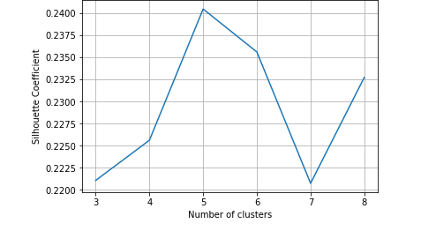
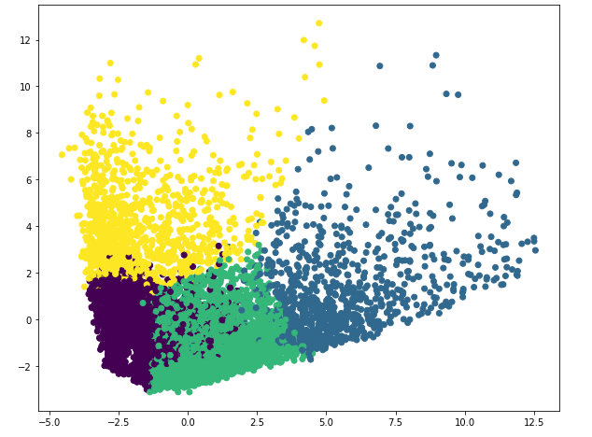
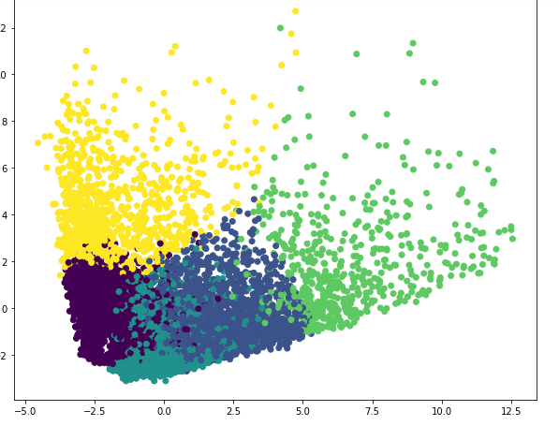
Silhouette Coefficient | 5 Cluster Scatter plot

